Myride Academy Saigon
 |  |  |  |  |  |  |  |  |  |  | DATE
按数字顺序测量很方便。 *您可以按照要测量的数字。
1 | 颈围 |  | Neck |  | cm |  | 名字 |  | sex | Hight(cm）身高 | Weight(kg)體重
2 | 袖笼 |  | Arm Hole |  | cm |  | Name |  | male
3 | 手臂围 |  | Bicep circ. |  | cm |  |  |  | female | TEL
4 | 手肘围 |  | Elbow circ. |  | cm |  | ＊测量注意事项...... | *Careful measurement required………Tips when measureing.
5 | 前臂围 |  | Forearm circ. |  | cm |  | ①请在测量时穿上T恤和裤子，这是完美的。 （我们建议测量内衣穿着。）
6 | 手腕围 |  | Wrist circ |  | cm |  | ②测量时请不要刻意调整尺寸。 （请用布尺测量将测量粘贴到皮肤上请注意实际尺寸测量）
7 | 身体周长 |  | Torso- from nape to neck down through crotch and back up to collar bone. |  | cm |  | ①All measurement to be taken with just fit t-shirts and pants on. The inner suits wearing is recommended for measurement .
8 | 肩幅1/2 |  | 1/2 sholder length |  | cm |  | ②To get your real size, follow the skin line carefully with having the conscious of sticking measurement tape on you.
9 | 肘長 |  | Upper arm length(from bone to bone) |  | cm |  | Pull tape snug, not tight.
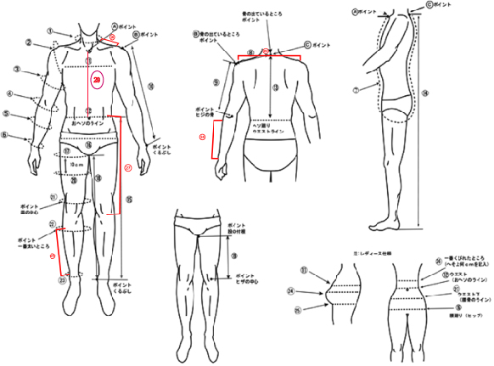
10 | 袖長 |  | Sleeve |  | cm
11 | 胸围 |  | Chest circ. |  | cm
12 | 腰围 |  | Weist circ. (navel line) |  | cm
13 | 背長 |  | Body length back (neck to waist line) |  | cm
14 | 身体总长 |  | Suits length( neck to bottom) |  | cm
15 | 腰部到脚踝 |  | Waist to ankle (length of trousers) |  | cm
16 | 臀围 |  | Hips |  | cm
17 | 大腿宽度 |  | Thigh width |  | cm
18 | 跨下长度 |  | Inseam |  | cm
19 | 跨下至膝盖 |  | Knee center |  | cm
20 | 大腿下10厘米 |  | 10cm below of #17 |  | cm
21 | 膝围 |  | Kneecap center |  | cm
22 | 小腿围 |  | Calf largest |  | cm
23 | 脚踝周围 |  | Ankle smallest |  | cm
24 | 手腕到手肘 |  | Elbow to wrist |  | cm
25 | 肩膀长度(左肩至右肩) |  | Across shoulder |  | cm
26 |  | 脖子到肩膀 | Neck to Shoulder |  | cm
27 |  | 腰到膝盖 | Waist to knee |  | cm
28 |  | 脚踝到膝盖 | Ankle to knee |  | cm
29 |  | 領口至肚臍 | Neck to Naval |  | cm
28 | 股上前後 |  |  | - | cm | ○
■女性的额外测量■Extra measurment for Women
24 | 胸围（乳头水平） |  | bust (nipple level) |  | cm
25 | 下胸围 |  | Below Bust |  | cm
26 | 腰部以上（最小） |  | Above waist (smallest) |  | cm |  | 体型に特徴のある場合やご指定がある場合は下記に明記ください。 |  | 大小细节 size in detail
27 | 腰围以下（臀部骨线） |  | Below Waist( on the hip bone line) |  | cm |  | Please specify if any of body shape feature or any special requesting.

